Niche height Oven
Calculation for oven, niche-height

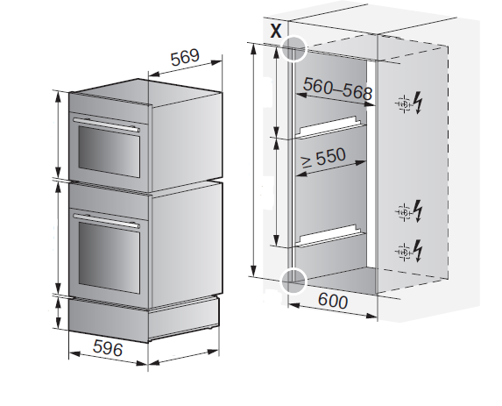
Appliances selection: | Winkelset | Appliance height-group | # of appliances in niche
Oven / Steamer | x | 60 cm
Oven / Steamer/ Miwell-Combi XSL | x | 45 cm
Coffee-Center |  | 45 cm
Oven / Steamer/ Miwell-Combi HSL, Miwell HSL | x | 38 cm
Coffee-Center |  | 38 cm
Miwell L (on top, otherwise niche height -4mm) |  | 38 cm
Warming drawer | x | 31 cm
Warming drawer | x | 28 cm
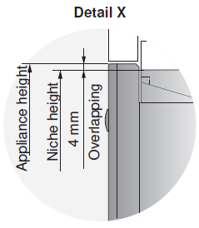
Warming drawer | x | 22 cm
Warming drawer | x | 16 cm
Warming- / System- and Vacuum- Drawer | x | 14 cm
System drawer | x | 7.5 cm
Height of niche |  |  | 0
Anzahl Geräte übereinander |  | Summe Wärmeschublade | 0
Amount of mounting angle |  |  | 0

